Products
Custom Option to restrict a Text entry
• This example uses the Custom option in cells A4:A5.
• In this case the user can only enter a Product ID beginning with the text "ID-" and 9 or more total characters by using the formula:
=AND(LEFT(A4,3)="ID-",LEN(A4)>9)
• Another option would be to use a Custom Number Format from the Format Cells dialog (Ctrl+1) - See the example below.
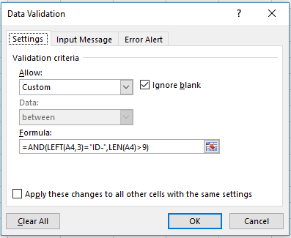
Data Validation - Custom option with a formula to restrict a text entry
 |  | • Custom option for Product ID entry
Product ID | Product Name
ID-1234567 | Widget
ID-29876534 | Fetzer Valve

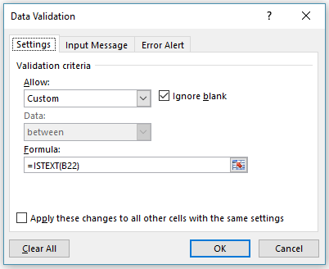
Custom Option to ensure a Text entry
• This example uses the Custom option in cells B22:B23.
• In this case the user can only enter a Product Name that is text, so it can't be just numeric:
=ISTEXT(B22)
Data Validation - Custom option with a formula to ensure a text entry
 |  | • Custom option to ensure a Text (non-numeric only) entry
Product ID | Product Name
ID-1234567 | Widget
ID-29876534 | Fetzer Valve

Custom Number Format
• Another option for the Product ID would be to use a Custom Number Format from the Format Cells dialog (Ctrl+1) to automatically display the "ID-" text, and allow the user to only enter the actual Product ID numbers. Note that the text "ID-" isn't actually part of the Product ID, it's just displayed for you.
• Custom Format - "ID-"#######
• You could still use Data Validation to limit the overall Text entry length however.
Custom Number Format |  | • Custom Number format
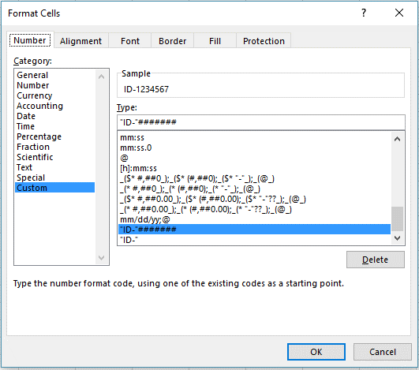
Product ID | Product Name
ID-1234567 | Widget
ID-29876534 | Fetzer Valve

See more online: Apply Data Validation to cells

E-Mail
Data Validation - Custom option for e-mail address validation
Custom Option - E-Mail validation
• This example (cell A4) uses the Custom option to validate an e-mail address entry.
• In this case the user can only enter a value that includes the @ symbol for an e-mail address. It's not a perfect validation method, but it should work for most cases.
=ISNUMBER(FIND("@",A4))
• This formula uses the FIND function to look for the @ symbol in the text entry. If it exists, then FIND will return a number, which is the @ symbol's position in the text string and allow the entry to pass. If the @ symbol isn't found, then the fomula will return an error, which ISNUMBER will force Data Validation to reject.
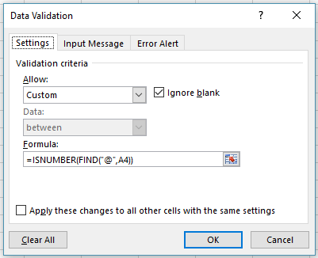
E-Mail Address | • Custom option for e-mail address validation
bob@msn.com

See more online: Apply Data Validation to cells

HR Budget
Data Validation - Limit entries to a set value

Limit entries to a set value
• This example (cell D10) limits users to a whole number entry less than or equal to the value in cell E4
• Note that this example uses a reference to the value in cell E4 instead of inputting the value into the Data Validation dialog. It's much easier to update that value when it's in a cell.
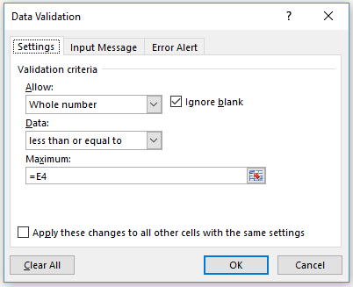
 |  |  |  |  | • Allow a whole number entry limited to a set value
Budget Input -- Human Resources |  |  | Budget Maximum | 65,000

Cost Center | Category | Current Year Projected | Future Year Budget | Variance
110 | #REF! | 63,578 | 60,000 | (3,578)
120 | #REF! | 19,721 | 25,000 | 5,279
130 | #REF! | 37,500 | 40,000 | 2,500
140 | #REF! | 12,605 | 25,000 | 12,395
150 | #REF! | 28,391 | 30,000 | 1,609
160 | #REF! | 7,303 | 8,500 | 1,197
170 | #REF! | 44,985 | 50,000 | 5,015
180 | #REF! | 20,287 | 21,000 | 713
190 | #REF! | 1,470 | 1,500 | 30

See more online: Apply Data Validation to cells

